Quotation


 |  | PRE RESERVATION DE STAND PRE ORDER Booth FORM

 | SIA SARL
 | 79, rue Jean Jacques Rousseau |  |  |  | OBLIGATOIRE // MANDATORY
 | 92158 Suresnes Cedex |  |  | Nom legal // Company legal name
 | Tel : +33 (0) 1 41 44 93 74 |  |  | Adresse de Facturation // Invoicing Adresse
 | Fax : +33 (0) 1 41 44 93 79
 | email: molly.boissier@sia.fr
 | SIRET 352 861 561 00038 - APE 7112 B |  |  | N° de TVA // VAT number
 | TVA FR 27 352 861 561 |  | Contact nom + email // name + email

YOUR BOOTH

 | Please select |  |  |  | Numéro du Stand
 | Package |  |  |  | Number of the booth on the floor map
 |  |  |  |  | politic of first come first serve
 |  |  |  |  | Choice #1
 |  |  |  |  | Choice #2
 | Souhaitez-vous garder tout le mobilier ? // Do you need all the furniture in the package ? |  |  |  | Choice #3

 |  |  |  |  | Besoins electriques // Electric need (Kw)
 | *If you do not need all the furniture, please tell us what you want to keep |  |  |  |  | 1
 |  |  |  |  | Tous les stands ont 1kw // Additional Kw will be charged

 | Stand Nu // Building of your own booth

EXTRAS Please write in the dedicated space which extra advertising you would like and pick its price in the following list

 |  |  | - €
 |  |  | - €
 |  |  | - €
 |  |  | - €

TOTAL

 | PLEASE SEND IT TO : |  |  |  | VAT exc. | - €
 | martin.pierrelee@sia.fr |  |  |  | VAT inc.* | - €
 | For validation |  |  | As the event takes place in France French VAT of 20% is due

Booth, furniture & extras
 | Stand // Booth packages |  |  |  |  | Advertising rate
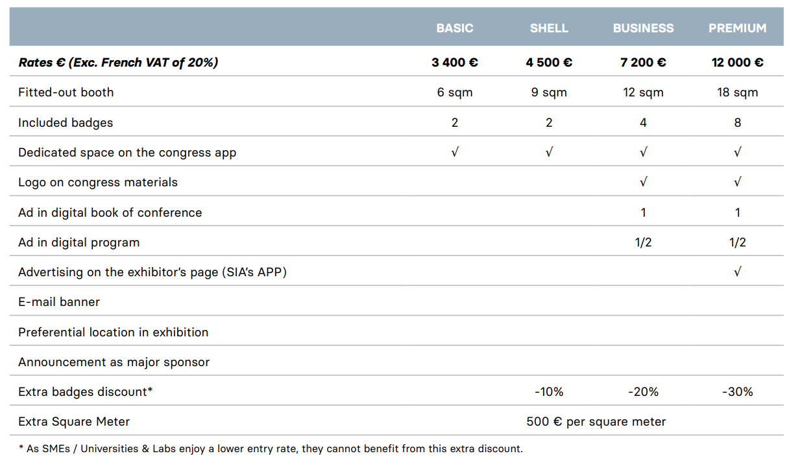
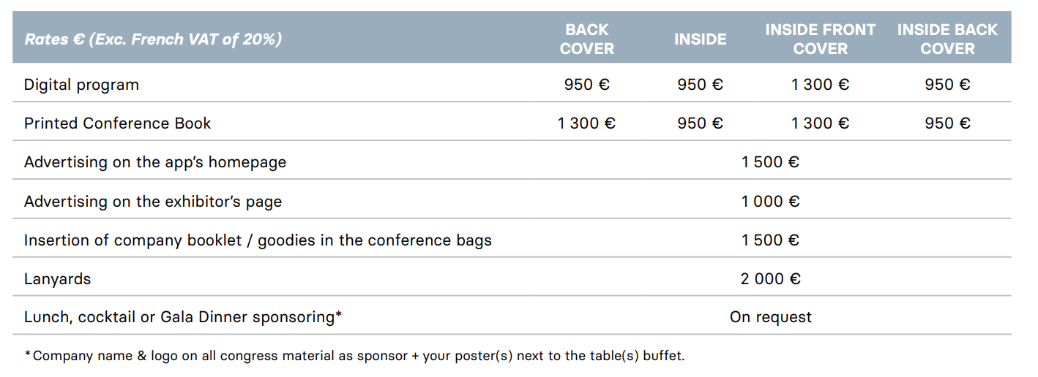
 |  |  |  |  | no
 |  |  |  |  |  |  | 180
 |  |  |  |  |  |  | 950
 |  |  |  |  |  |  | 1300
 |  |  |  |  |  |  | 1500
 |  |  |  |  |  |  | 2000
 |  |  |  |  |  |  | On request

 |  |  |  |  |  | Divers / Other

 | Mobilier // Furniture |  |  |  | no
 |  |  |  |  | Rates € (Exc. French VAT of 20%) | Tarif / Prix
 | BASIC | SHELL | BUSINESS | PREMIUM | Puissance Electrique // Electric power 3Kw | 180 €
Table | 1 | 0 | 1 | 2 | Ecran // screen | on request
Chairs | 2 | 0 | 2 | 6
Counter | 0 | 1 | 1 | 1
High chairs | 0 | 2 | 2 | 2
Display rack | 1 | 1 | 1 | 2
Triple elecrical socket | 1 | 1 | 2 | 2
Carpet green or other color* | Yes | Yes | Yes | Yes
Lighting spots | 3 | 3 | 6 | 9
Flag with your company name | 1 | 1 | 1 | 1
Electric power | 1kw | 1kw | 1kw | 3kw
* please ask SIA
 | 0 €
BASIC | 3,400 € |  |  | Digital program
SHELL | 4,500 € |  |  | Printed conference book
BUSINESS | 7,200 € |  |  | Advertising on the app's homepage
PREMIUM | 12,000 € |  |  | Advertising on the exhibitor's page
 |  |  |  | Insertion of company booklet / goodies in the conference bags
 |  |  |  | Lanyards
 |  |  |  | Lunch, cocktail or Gala Dinner sponsoring *
 |  |  |  | Puissance Electrique // Electric power 3Kw
 |  |  |  | Ecran // screen

 | 3,400 €
 | 4,500 €
 | 7,200 €
 | 12,000 €

